Visuals
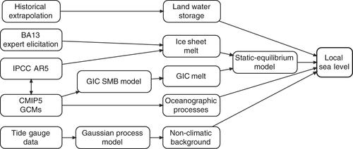
Source | UKCP18 | Environment Agency | SCOPAC presentation | Kopp et al (2014)
Description | Overview of marine projections | Extreme event tidal gauge return periods based on historical data | Summary of total coastal water level components | Median projection (a) and width of 17-83% uncertainty of likely range of local sea level risk in metre (b) in 2100 under RCP 8.5
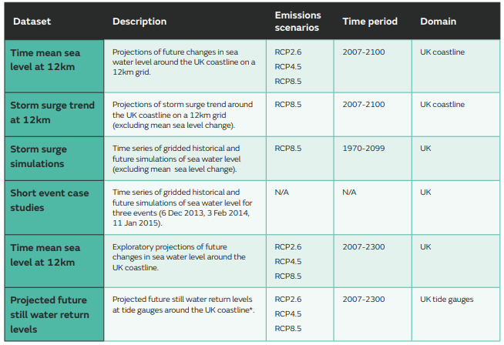
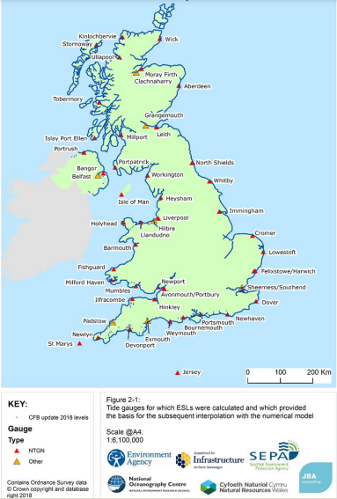
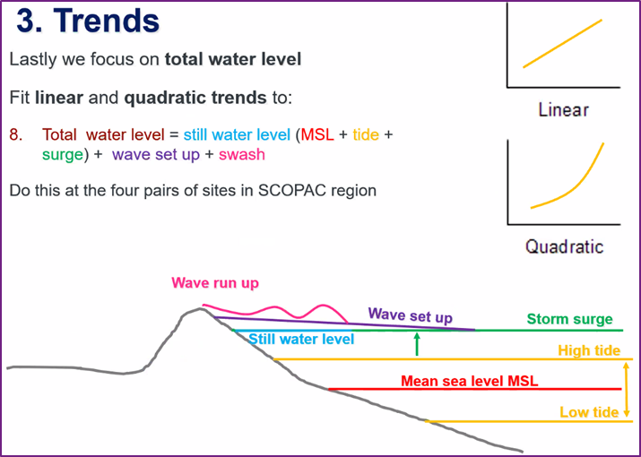
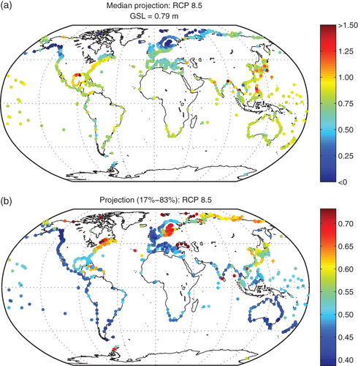

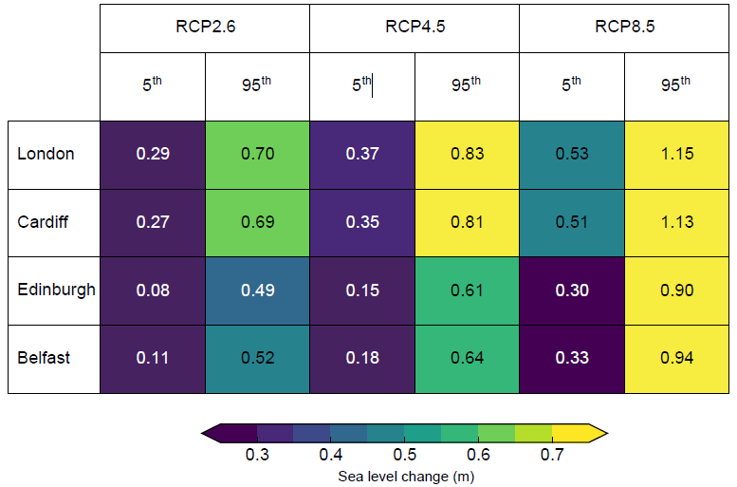

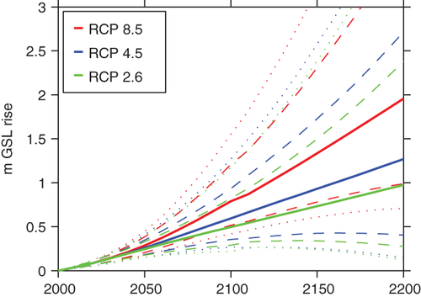

Range of sea level change (m) at UK capital cities in 2100 relative to 1981-2000 average for a low (RCP2.6), medium (RCP4.5) and high (RCP8.5) emissions scenario from table in Section 1.2 in Palmer et al (2018).

